Introduction
IT Key Metrics Data Comparison Tool - Data Center & Network
Benchmark Analytics
Measure. Optimize. Transform

Data Center & Network Survey
 |  | Click here to go to Data Center & Network Survey>>

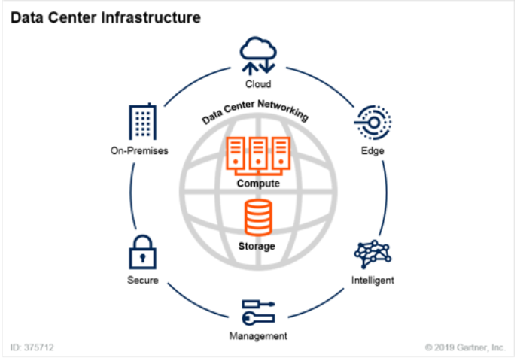
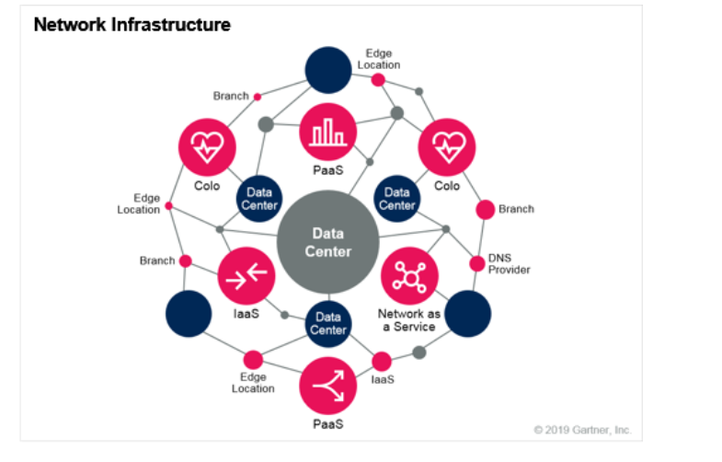

Complete the survey to establish a baseline of your Data Center & Network spending and staff and get a personalized comparison report of your key IT metrics vs. Gartner research.

The aim of the exercise is to help IT Leaders take the first step towards Strategic Cost Optimization by understanding their spending and identifying improvement opportunities.
We suggest the following actions:

● | Complete the survey to the best of your knowledge. Make sure to keep an audit trail of any assumptions.
● | Treat the bencharks of this report as indicators rather than de facto targets. Every organization has its own unique characteristics.
● | Schedule an inquiry with a Gartner Expert to address alignment questions or to review your results and gain valuable insight based on your submission.

© 2023 Gartner, Inc. and/or its affiliates. All rights reserved. Gartner is a registered trademark of Gartner, Inc. and its affiliates |  |  | Version: 20231121

Instructions
IT Key Metrics Data Comparison Tool - Data Center & Network
Benchmark Analytics
Measure. Optimize. Transform

Data Center & Network Survey
 |  | Click here to go to Data Center & Network Survey>>

INSTRUCTIONS:
Data Center Framework Definitions
1 | Collect your organization's data in this Excel Spreadsheet. Please refer to the "Framework Definitions" to the right for detailed definitions.

Network Framework Definitions
2 | Launch the online survey & populate the data.

3 | Once you have entered data in the survey, hit the "Submit" button to get your customized output report in your mailbox.

Note: You may forward this toolkit and the survey link to the person in your organization who is best suited to answer the questions.

OTHER SURVEYS:

You may also be interested in the following surveys:

● | IT Budget & Efficiency Benchmark
● | End-User Services & Application Portfolio Budget & Efficiency Tool

© 2023 Gartner, Inc. and/or its affiliates. All rights reserved. Gartner is a registered trademark of Gartner, Inc. and its affiliates |  |  | Version: 20231121

Data Center & Network Survey
IT Key Metrics Data Comparison Tool - Data Center & Network
Benchmark Analytics
Measure. Optimize. Transform
 |  |  |  |  |  |  |  |  |  |  |  |  |  |  | You may use this space for notes, if needed

Data Center & Network Survey
 |  |  |  |  |  |  |  |  | Click here to go to Data Center & Network Survey>>

ENTERPRISE SURVEY
ENTERPRISE SURVEY
The question set below represents the required key data inputs to generate your personalized Data Center & Network Comparison Report. Please have the following information available to complete your data input, or delegate this survey to a colleague to complete on your behalf. All fields are mandatory unless you are given the option not to answer.
ENTERPRISE SURVEY
ENTERPRISE SURVEY
ENTERPRISE SURVEY
ENTERPRISE SURVEY

 |  |  |  |  |  |  |  |  |  |  |  | Data Input Cells | Calculated Cells

 | CLIENT PROFILE

Q. | Please enter your Full Name.

Q. | Please enter your Business Email Address. Your personalized report will be sent here once the survey is complete.

 | ORGANIZATION DETAILS

Q. | Please enter name of your Organization.

Q. | Select the Organizational Scope which best describes the data being provided from your organization.
 |  | Enterprise |  |  |  | Business Unit |  |  |  | Division

Q. | Based on your defined scope, please select the Country where the largest amount of your organization's operations exists.

Q. | Please indicate the Currency, which will be used to complete your financial data input.

Q. | Please select your Primary Industry.

 | BUSINESS METRICS

Q. | Please enter your Organization's Business Revenue and Operating Expenses as per the most current and available 12-month actuals.
 | Note that these metrics refer to the overall () that you previously selected.
 | Government entities please enter zero in the Revenue field and enter your operating budget in the Business Operating Expense field.

 |  |  |  |  |  |  | 2023
 | Business Revenue

 | Business Operating Expense

Q. | What is the total number of Employees within your Organization?
 | Note that this metric refers to the overall headcount of the () that you previously selected and is not limited to Data Center & Network.

 |  |  |  |  |  |  | 2024
 | Employees

 | IT SPENDING/BUDGET INFORMATION

Q. | What is the Total IT Spending/Budget of your Organization?
 | Note that these metrics refer to the overall IT Spending of the () that you previously selected and are not limited to Data Center & Network.

 |  |  |  |  |  |  | 2024
 | IT Capital Spending

 | IT Operational Spending

 | IT Depreciation & Amortization Expense

 | IT Spending/Budget |  |  |  |  |  | 0
 | (Capital Spending + Operational Spending)

 | IT Cost |  |  |  |  |  | 0
 | (IT Operational Spending + IT Depreciation & Amortization Expense)

Q. | How many IT full time equivalents (IT FTEs) are in your organization?
 | Note that this metric refers to the overall number of FTE in the IT function of the () that you previously selected and is not limited to Data Center & Network.

 |  |  |  |  |  |  | 2024
 | Total IT FTEs

 | SURVEY SCOPING

Q. | Which parts of your Data Center would you like to include in the analysis (Must choose all of these to get full data center view)

 | Compute Platforms |  |  |  | Storage |  |  |  | Middleware, | Database | and Facilities

Q. | Would you like to include a comparison for your Network services in the output report?

Q. | Please select the time periods you would like to provide workload information for.

 |  | Current Year
 |  | Next Year (Estimates)

Q. | Do you use server virtualization in your physical data center?

Q. | Do you use server virtualization running in the cloud? (IaaS such as AWS, Azure, Google etc)

 | DATA CENTER: ON-PREMISE/ COLOCATED

Q. | What types of compute environments do you have in your physical data center ?

 | Mainframe |  |  | Windows | UNIX |  | Linux x86 |  | Other OS Types
Q. | If other platform please list:

Q. | Please provide information around your Windows OS compute environment in your physical data center.

 |  |  |  |  |  |  |  | Current Year |  | Next Year
 |  |  |  |  |  |  | Total Stand Alone Servers

 |  |  |  |  |  |  | Total Virtual Server Hosts using Virtualization via OS

 |  |  |  |  |  |  | Annualized Virtual Machines

Q. | Please provide information around your Linux x86 compute environment in your physical data center.

 |  |  |  |  |  |  |  | Current Year |  | Next Year
 |  |  |  |  |  |  | Total Stand Alone Servers

 |  |  |  |  |  |  | Total Virtual Server Hosts using Virtualization via OS

 |  |  |  |  |  |  | Annualized Virtual Machines

Q. | Please provide information around your x86 Hypervisors in your physical data center.

 |  |  |  |  |  |  |  | Current Year |  | Next Year
 |  |  |  |  |  |  | Total Virtual Server Hosts using Virtualization via Hypervisor

Q. | Please provide information around your UNIX compute environment in your physical data center.

 |  |  |  |  |  |  |  | Current Year |  | Next Year
 |  |  |  |  |  |  | Total Stand Alone Servers

 |  |  |  |  |  |  | Total Virtual Server Hosts using Virtualization via OS

 |  |  |  |  |  |  | Annualized Virtual Machines

Q. | Do you use containers in your physical data center?

Q. | Please provide information around the containers active during the year in your physical data center:

 |  |  |  |  |  |  |  | Current Year |  | Next Year
 |  |  |  |  |  |  | Average Containers active during the year

 | DATA CENTER: CLOUD

Q. | What types of compute environments do you run in the cloud ?

 | Mainframe |  |  | Windows | UNIX |  | Linux x86

Q. | Please provide information around the Annualized Virtual Machines for Windows OS in Cloud:
 |  |  |  |  |  |  |  | Current Year |  | Next Year
 |  | Annualized Virtual Machines

Q. | Please provide information around the Annualized Virtual Machines for Linux OS in Cloud:
 |  |  |  |  |  |  |  | Current Year |  | Next Year
 |  | Annualized Virtual Machines

Q. | Please provide information around the Annualized Virtual Machines for UNIX OS in Cloud:
 |  |  |  |  |  |  |  | Current Year |  | Next Year
 |  | Annualized Virtual Machines

Q. | Do you use containers in the cloud?

Q. | Please provide information around the Cloud containers active during the year:
 |  |  |  |  |  |  |  | Current Year |  | Next Year
 |  | Average Containers Active During the Year

 | MAINFRAME: ONPREMISE AND/OR CLOUD
Q. | Please provide information around General Purpose for Mainframe MIPS :

 |  |  |  |  |  |  |  | Current Year |  | Next Year
 |  | Physical Data Center

 |  | Cloud

Q. | Please provide information around Specialty (IFL/ZiiP/ZaaP) for Mainframe MIPS :

 |  |  |  |  |  |  |  | Current Year |  | Next Year
 |  | Physical Data Center

 |  | Cloud

 | STORAGE
Q. | Please provide information about your organization's Storage:

 |  |  |  |  |  |  |  | Current Year |  | Next Year
 |  | On Premise/Outsourced Raw Configured TBs

 |  | Cloud TBs

 | DATA CENTER: FACILITIES

Q. | Please indicate your prefered measuring unit for providing the Facilities floor space information.

 | Square Feet |  |  | Square Meters

Q. | Please provide information about your organization's Total Facilities |  |  |  |  |  | in ():

 |  |  |  |  |  |  |  | Current Year |  | Next Year
 |  |  |  |  | Total Occupied Facilities

 | COST & DISTRIBUTION

Q. | How much does your organization spend on each technical sub-area?

 |  |  |  |  | Current Year Spend |  |  |  |  | Current Year Spend
 |  |  | Mainframe |  |  |  |  | Storage

 |  |  | Windows |  |  |  |  | Database

 |  |  | Linux |  |  |  |  | Middleware

 |  |  | UNIX |  |  |  |  | Facilities

 |  |  | Other OS |  |  |  |  | Network

 | INFRASTRUCTURE STAFF

Q. | Please enter your Data Center FTEs for the each technical sub-area:

 |  |  |  |  |  |  |  | FTEs |  | % Contractor
 |  |  |  |  | Mainframe

 |  |  |  |  | Windows

 |  |  |  |  | Linux

 |  |  |  |  | UNIX

 |  |  |  |  | Other OS

 |  |  |  |  | Storage

 |  |  |  |  | Database

 |  |  |  |  | Middleware

 |  |  |  |  | Facilities

Q. | Can you distinguish the percentage of your Data Center staff that support Infrastructure as a Service (public cloud) versus physical data center, by technical sub-area?

Q. | Please provide the percentage of your staff for each technical sub-area that support Infrastructure as a Service (public cloud):

 |  |  |  |  |  |  |  | Supporting IaaS
 |  |  |  |  |  |  | Mainframe

 |  |  |  |  |  |  | Windows

 |  |  |  |  |  |  | Linux

 |  |  |  |  |  |  | UNIX

 |  |  |  |  |  |  | Storage

 | NETWORK SERVICES

Q. | Please provide information about the number of End-Users on your Network:
 |  |  |  |  |  |  |  | Current Year |  | Next Year
 |  |  |  |  |  |  | Network Users

Q. | How many Network related FTEs are in your organization?
 |  |  |  |  |  |  |  | FTEs
 |  |  |  |  |  | Network FTEs

Q. | Please allocate your Network related FTEs across the following:
 |  |  |  |  |  |  |  | FTEs
 |  |  |  |  |  |  | % Insourced

 |  |  |  |  |  |  | % Contractor

© 2023 Gartner, Inc. and/or its affiliates. All rights reserved. Gartner is a registered trademark of Gartner, Inc. and its affiliates |  |  |  |  |  |  |  |  |  |  |  |  |  | Version: 20231121

